Data Aug Details
Speaker | Layer Frozen | Training Loss Graph | Training Accuracy Graph | Accuracy | % Change from Normal

F05 | Augmented_F05_D3 | 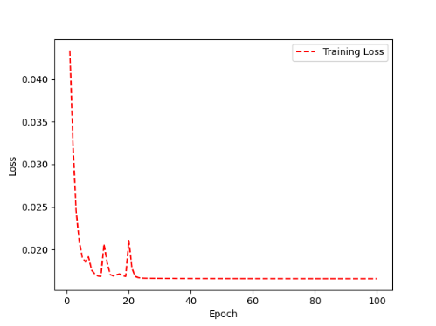 | 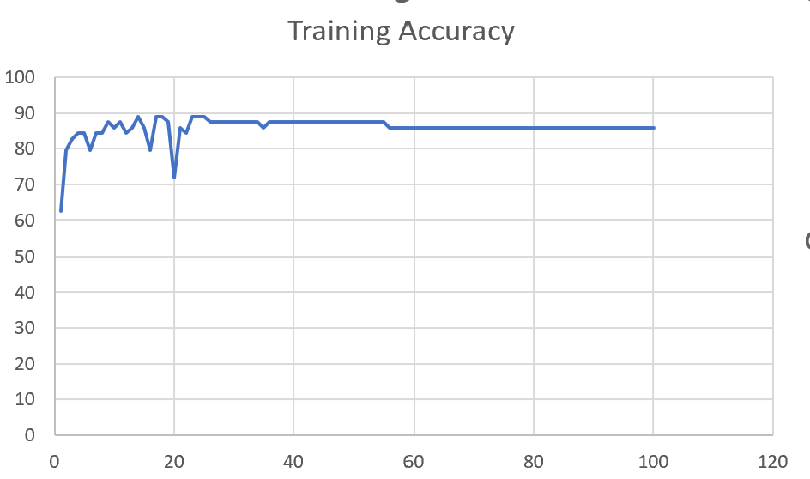 | 93 | 2

 | Augmented_F05_TE | 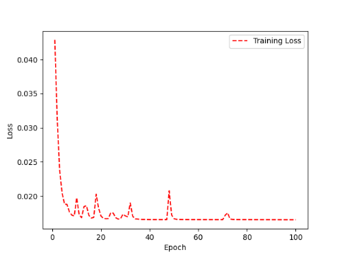 | 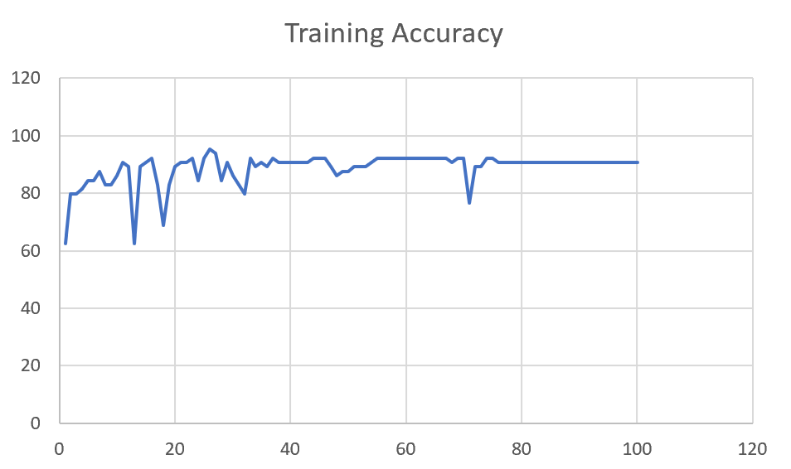 | 93 | 3

M08 | Augmented_M08_T3+D123 | 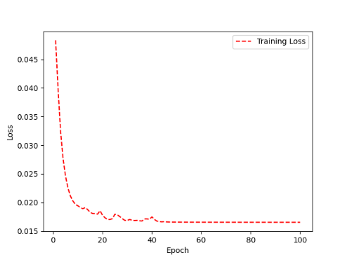 | 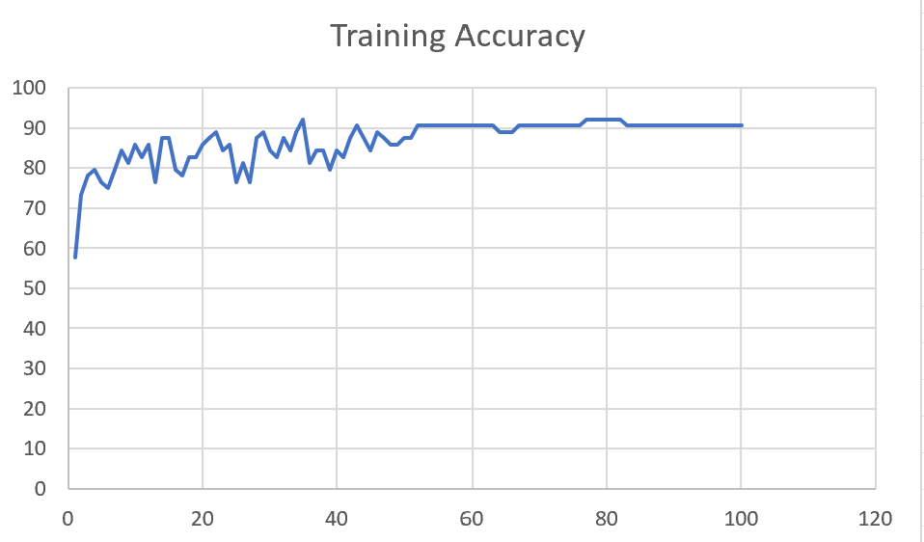 | 88 | 4

 | Augmented_M08_T3+D12

M10 | Augmented_M10_T3+D1

 | Augmented_M10_E1

M14 | Augmented_M14_D3

 | Augmented_M14_T3+D1

M09 | Augmented_M09_D3

 | Augmented_M09_TE

Sheet1
 |  |  | Training Accuracy
0 | 0.421875 | 1 | 57.8125
1 | 0.265625 | 2 | 73.4375
2 | 0.21875 | 3 | 78.125
3 | 0.203125 | 4 | 79.6875
4 | 0.234375 | 5 | 76.5625
5 | 0.25 | 6 | 75
6 | 0.203125 | 7 | 79.6875
7 | 0.15625 | 8 | 84.375
8 | 0.1875 | 9 | 81.25
9 | 0.140625 | 10 | 85.9375
10 | 0.171875 | 11 | 82.8125
11 | 0.140625 | 12 | 85.9375
12 | 0.234375 | 13 | 76.5625
13 | 0.125 | 14 | 87.5
14 | 0.125 | 15 | 87.5
15 | 0.203125 | 16 | 79.6875
16 | 0.21875 | 17 | 78.125
17 | 0.171875 | 18 | 82.8125
18 | 0.171875 | 19 | 82.8125
19 | 0.140625 | 20 | 85.9375
20 | 0.125 | 21 | 87.5
21 | 0.109375 | 22 | 89.0625
22 | 0.15625 | 23 | 84.375
23 | 0.140625 | 24 | 85.9375
24 | 0.234375 | 25 | 76.5625
25 | 0.1875 | 26 | 81.25
26 | 0.234375 | 27 | 76.5625
27 | 0.125 | 28 | 87.5
28 | 0.109375 | 29 | 89.0625
29 | 0.15625 | 30 | 84.375
30 | 0.171875 | 31 | 82.8125
31 | 0.125 | 32 | 87.5
32 | 0.15625 | 33 | 84.375
33 | 0.109375 | 34 | 89.0625
34 | 0.078125 | 35 | 92.1875
35 | 0.1875 | 36 | 81.25
36 | 0.15625 | 37 | 84.375
37 | 0.15625 | 38 | 84.375
38 | 0.203125 | 39 | 79.6875
39 | 0.15625 | 40 | 84.375
40 | 0.171875 | 41 | 82.8125
41 | 0.125 | 42 | 87.5
42 | 0.09375 | 43 | 90.625
43 | 0.125 | 44 | 87.5
44 | 0.15625 | 45 | 84.375
45 | 0.109375 | 46 | 89.0625
46 | 0.125 | 47 | 87.5
47 | 0.140625 | 48 | 85.9375
48 | 0.140625 | 49 | 85.9375
49 | 0.125 | 50 | 87.5
50 | 0.125 | 51 | 87.5
51 | 0.09375 | 52 | 90.625
52 | 0.09375 | 53 | 90.625
53 | 0.09375 | 54 | 90.625
54 | 0.09375 | 55 | 90.625
55 | 0.09375 | 56 | 90.625
56 | 0.09375 | 57 | 90.625
57 | 0.09375 | 58 | 90.625
58 | 0.09375 | 59 | 90.625
59 | 0.09375 | 60 | 90.625
60 | 0.09375 | 61 | 90.625
61 | 0.09375 | 62 | 90.625
62 | 0.09375 | 63 | 90.625
63 | 0.109375 | 64 | 89.0625
64 | 0.109375 | 65 | 89.0625
65 | 0.109375 | 66 | 89.0625
66 | 0.09375 | 67 | 90.625
67 | 0.09375 | 68 | 90.625
68 | 0.09375 | 69 | 90.625
69 | 0.09375 | 70 | 90.625
70 | 0.09375 | 71 | 90.625
71 | 0.09375 | 72 | 90.625
72 | 0.09375 | 73 | 90.625
73 | 0.09375 | 74 | 90.625
74 | 0.09375 | 75 | 90.625
75 | 0.09375 | 76 | 90.625
76 | 0.078125 | 77 | 92.1875
77 | 0.078125 | 78 | 92.1875
78 | 0.078125 | 79 | 92.1875
79 | 0.078125 | 80 | 92.1875
80 | 0.078125 | 81 | 92.1875
81 | 0.078125 | 82 | 92.1875
82 | 0.09375 | 83 | 90.625
83 | 0.09375 | 84 | 90.625
84 | 0.09375 | 85 | 90.625
85 | 0.09375 | 86 | 90.625
86 | 0.09375 | 87 | 90.625
87 | 0.09375 | 88 | 90.625
88 | 0.09375 | 89 | 90.625
89 | 0.09375 | 90 | 90.625
90 | 0.09375 | 91 | 90.625
91 | 0.09375 | 92 | 90.625
92 | 0.09375 | 93 | 90.625
93 | 0.09375 | 94 | 90.625
94 | 0.09375 | 95 | 90.625
95 | 0.09375 | 96 | 90.625
96 | 0.09375 | 97 | 90.625
97 | 0.09375 | 98 | 90.625
98 | 0.09375 | 99 | 90.625
99 | 0.09375 | 100 | 90.625
<__main__.DisplayOutputs object at 0x7ff7b862b9d0> | 0.09375 | #VALUE! | 90.625
<__main__.DisplayOutputs object at 0x7ff7b862b9d0> | 0.21875 | #VALUE! | 78.125
<__main__.DisplayOutputs object at 0x7ff7b862b9d0> | 0.0625 | #VALUE! | 93.75
<__main__.DisplayOutputs object at 0x7ff7b862b9d0> | 0.125 | #VALUE! | 87.5
<__main__.DisplayOutputs object at 0x7ff7b862b9d0> | 0.171875 | #VALUE! | 82.8125
<__main__.DisplayOutputs object at 0x7ff7b862b9d0> | 0.046875 | #VALUE! | 95.3125
<__main__.DisplayOutputs object at 0x7ff7b862b9d0> | 0.109375 | #VALUE! | 89.0625
<__main__.DisplayOutputs object at 0x7ff7b862b9d0> | 0.0625 | #VALUE! | 93.75
<__main__.DisplayOutputs object at 0x7ff7b862b9d0> | 0.140625 | #VALUE! | 85.9375
<__main__.DisplayOutputs object at 0x7ff7b862b9d0> | 0.125 | #VALUE! | 87.5
<__main__.DisplayOutputs object at 0x7ff7b862b9d0> | 0.015625 | #VALUE! | 98.4375
<__main__.DisplayOutputs object at 0x7ff7b862b9d0> | 0.140625 | #VALUE! | 85.9375
<__main__.DisplayOutputs object at 0x7ff7b862b9d0> | 0.109375 | #VALUE! | 89.0625
<__main__.DisplayOutputs object at 0x7ff7b862b9d0> | 0.1875 | #VALUE! | 81.25
<__main__.DisplayOutputs object at 0x7ff7b862b9d0> | 0.125 | #VALUE! | 87.5
<__main__.DisplayOutputs object at 0x7ff7b862b9d0> | 0.125 | #VALUE! | 87.5
<__main__.DisplayOutputs object at 0x7ff7b862b9d0> | 0.11475409836 | #VALUE! | 88.524590164
<__main__.DisplayOutputs object at 0x7fcfe04bb910> | 0.640625
<__main__.DisplayOutputs object at 0x7fcfe04bb910> | 0.50819672131

